Blad1
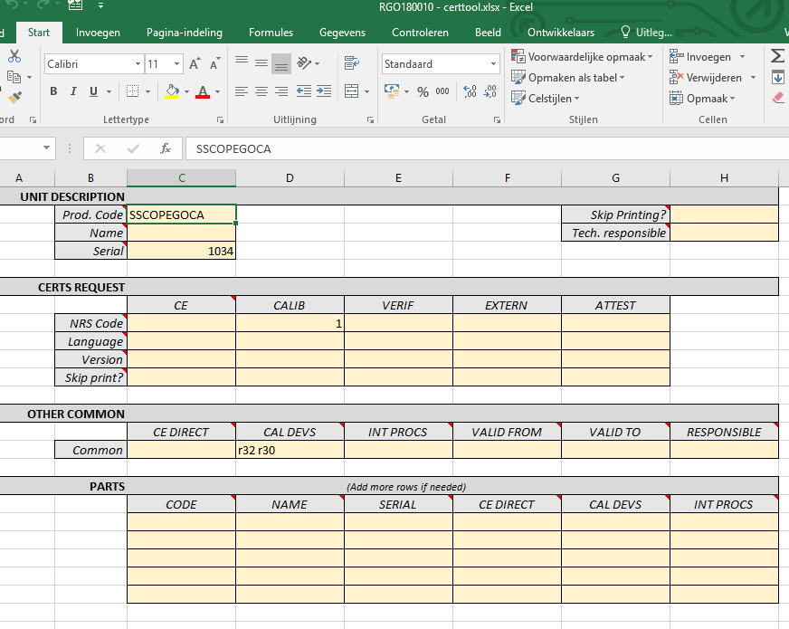
cmd
c:
cd Mysandbox\docauto
C:\Users\vth\Documents\docauto\docauto\Scripts\activate
python mk_project.py rgo180013 SBAT "repair speedoscope" -l SINT-DENIJS-WESTREM -c Belgie --lang NL

python minigui.pyw

